Synopsis
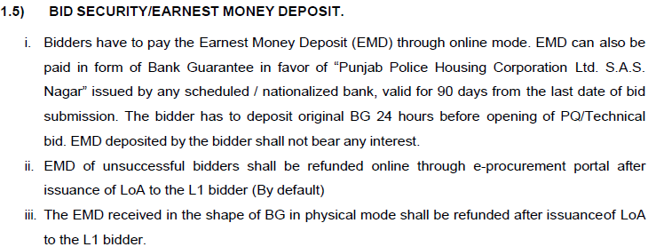
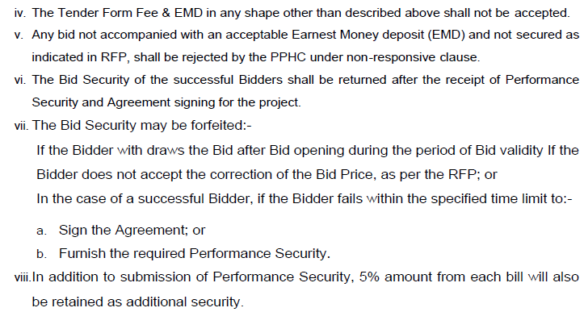
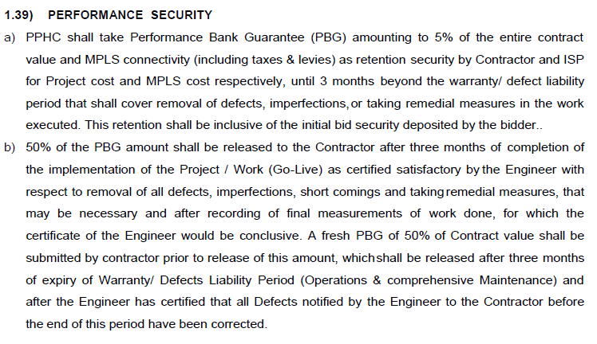
Sno. | Particulars | Details
1 | Name of Organization | Department of Home Affairs||Punjab Police Housing Corporation
2 | Contact Details Organzation | TEL. NO.4080111, 4080112 & FAX No.4080107
4 | Consultant Contact Details
5 | Location (State ; City) | SAS Nagar , Punjab
6 | Type of Work (Surveillance/ ITMS/ATCS etc) | City Surveillance
7 | Tender No | 22/2023-24
8 | Tender ID | 2024_DHA_114802_1
9 | Website | www.eproc.punjab.gov.in
10 | Release of RFP | 1/4/24
11 | Bid Sale Date | 1/4/24
12 | Last date of Submission | 15-Jan-2024 11:00 AM
13 | Prebid Queries submission date | NA
14 | Pre bid Date
15 | Pre-Bid Mode (Online/ Offline)
16 | Pre-bid Venue/link
16 | Scope of Work | Supply, Installation, Testing, Commissioning, Operations and Maintenance of City Surveillance and Traffic Management System with Command and Control Centre in S.A.S Nagar City, Punjab.
17 | Implentation Duration | T + 180 days
18 | Operation and Maintennance Duration | 3 Years
19 | Estimated Cost (Including/Exclusive )GST | Not Found
20 | EMD Value | 22,00,000
21 | EMD Mode of Submission | Online (BG)
22 | Last Date for submission of hard copy of bid along with original EMD and tender fee | Not Found
23 | Tender Fee | 5,900
24 | Tender Fee Mode of Submission | Online
25 | Performance Bank Guarantee | 5%
26 | Validity of Bid | 90
27 | Hardcopy submission | Not Found
28 | Consortium Status | Allowed
29 | No of Consortium Allowed (If applicable) | Not Found
30 | Specific Make status | Not Found
31 | Type of BID (QCBS, L1, RA)(Q2/Q3) | L1
32 | RA Clause (if Applicable) | NO
33 | Capex and Opex Ratio | Not Found
34 | Purchase Preference Clause | Not Given
35 | Minimum Qulaifying marks | Not Given
36 | Joint Several Liability | Allowed
37 | Additional performance Security Clause | Not Given
38 | Manpower Penalty | Refer SLA
39 | Delivery Time perid (Penalty if applicable) | Refer SLA
40 | Mobalization Advance Clasue | Not Given
41 | Abnormal / Unbalance bid Clause | Not Given
42 | Qualifying Status of Technosys
43 | Qualifying Status of Sensecure
44 | Qualifying Status of Infobase

BOQ
Validate
Print
Help
Item Rate BoQ
Tender Inviting Authority: Managing Director, Punjab Police Housing Corporation
Name of Work: Supply, Installation, Testing, Commissioning, Operations & Maintenance of City Surveillance & Traffic Management System with Integrated Command & Control Centre in S.A.S. Nagar, Punjab
Contract No: 22/2023-24
Name of the Bidder/ Bidding Firm/ Company :
PRICE SCHEDULE (This BOQ template must not be modified/replaced by the bidder and the same should be uploaded after filling the relevent columns, else the bidder is liable to be rejected for this tender. Bidders are allowed to enter the Bidder Name and Values only )
NUMBER # | TEXT # | NUMBER # | NUMBER # | TEXT #
Sl. No. | Name of Goods or Related Service | Rate INCLUDING ALL TAXES in INR Rs. P | Total Amount including all taxes Rs. P | TOTAL AMOUNT In Words
1 | 2 | 13 | 53 | 55
1 | Total CAPEX price (from table 5.2 of Section V) including free comprehensive warranty for 3 years |  | 0.00 | INR Zero Only
2 | Total price for MPLS connectivity (from table at 5.3 of Section V) |  | 0.00 | INR Zero Only
Total in Figures |  |  | 0.00 | INR Zero Only
Quoted Rate in Words |  | INR Zero Only

